DIESEL JUNE
 | ACCESSORI
Immagini | Articolo | GENDER | Descrizione | 01 | 02 |  |  |  |  |  | Totale | WLS | RTL
 | A12047RJCAR129 | UNISEX | NEW-D-LOGO-OUT CAPPELLO - VAPOUROUS GRAY | 377 | 420 |  |  |  |  |  | 797 | 24.00 € | 60.00 €
 | A12047RJCAR51F | UNISEX | NEW-D-LOGO-OUT CAPPELLO - OLIVE NIGHT | 423 | 415 |  |  |  |  |  | 838 | 24.00 € | 60.00 €
 | A12047RJCAR900 | UNISEX | NEW-D-LOGO-OUT CAPPELLO - CAVIAR | 291 | 285 |  |  |  |  |  | 576 | 24.00 € | 60.00 €
 |  |  | Totale |  |  |  |  |  |  |  | 2211

 | I.MFELPE |  | FELPE
Immagini | Articolo | GENDER | Descrizione | XS | S | M | L | XL | XXL | 3XL | Totale | WLS | RTL
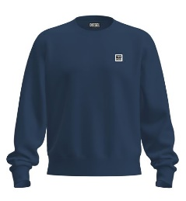 | A00329RHATY81E | MALE | S-GIRK-K12 FELPA - TOTAL ECLIPSE |  | 203 | 400 | 393 | 402 | 211 |  | 1609 | 44.00 € | 110.00 €
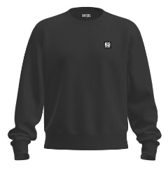 | A00329RHATY9XX | MALE | S-GIRK-K12 FELPA - BLACK BLACK BLACK |  | 200 | 378 | 371 | 390 | 208 |  | 1547 | 44.00 € | 110.00 €
 | A09755RIAJH100 | MALE | S-GIR-CREWNECK TONE ON TONE FELPA - BRIGHT WHITE |  | 144 | 238 | 208 | 245 | 120 |  | 955 | 50.00 € | 125.00 €
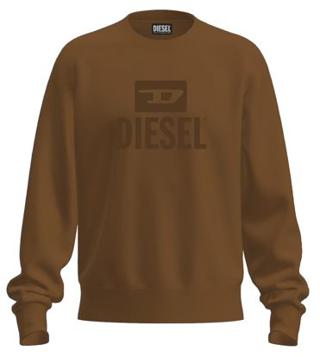 | A09755RIAJH7DA | MALE | S-GIR-CREWNECK TONE ON TONE FELPA - COFFEE LIQUEUR |  | 19 | 65 | 63 | 66 | 28 |  | 241 | 50.00 € | 125.00 €
 | A09755RIAJH81E | MALE | S-GIR-CREWNECK TONE ON TONE FELPA - TOTAL ECLIPSE |  | 127 | 184 | 145 | 186 | 98 |  | 740 | 50.00 € | 125.00 €
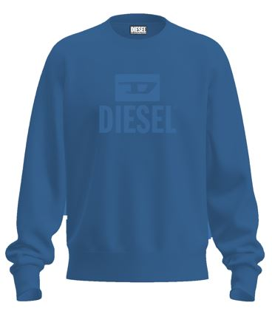 | A09755RIAJH8NT | MALE | S-GIR-CREWNECK TONE ON TONE FELPA - BLUE SAPPHIRE |  | 29 | 60 | 58 | 64 | 28 |  | 239 | 50.00 € | 125.00 €
 | A09755RIAJH900 | MALE | S-GIR-CREWNECK TONE ON TONE FELPA - CAVIAR |  | 118 | 148 | 110 | 160 | 92 |  | 628 | 50.00 € | 125.00 €
 | A10288RIAJH100 | FEMALE | F-ANG-NEW-ITA FOIL FELPA - BRIGHT WHITE | 124 | 244 | 244 | 247 | 124 |  |  | 983 | 50.00 € | 125.00 €
 | A10288RIAJH9XX | FEMALE | F-ANG-NEW-ITA FOIL FELPA - BLACK BLACK BLACK | 123 | 238 | 238 | 244 | 123 |  |  | 966 | 50.00 € | 125.00 €
 | A16979RIAJH100 | MALE | S-GINN-HOOD 12-G FELPA - BRIGHT WHITE |  | 203 | 436 | 435 | 438 | 210 |  | 1722 | 60.00 € | 150.00 €
 | A16979RIAJH5IX | MALE | S-GINN-HOOD 12-G FELPA - DEEP DEPTHS |  | 22 | 50 | 48 | 54 | 22 |  | 196 | 60.00 € | 150.00 €
 | A16979RIAJH8NT | MALE | S-GINN-HOOD 12-G FELPA - BLUE SAPPHIRE |  | 31 | 70 | 68 | 72 | 31 |  | 272 | 60.00 € | 150.00 €
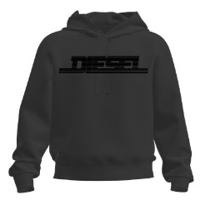 | A16979RIAJH900 | MALE | S-GINN-HOOD 12-G FELPA - CAVIAR |  | 179 | 355 | 352 | 369 | 190 |  | 1445 | 60.00 € | 150.00 €
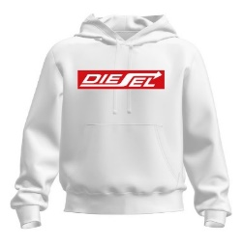 | A18981RIAJH100 | MALE | S-GINN-HOOD 250111 OFF FELPA - BRIGHT WHITE |  | 145 | 310 | 309 | 313 | 148 |  | 1225 | 60.00 € | 150.00 €
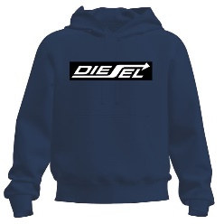 | A18981RIAJH81E | MALE | S-GINN-HOOD 250111 OFF FELPA - TOTAL ECLIPSE |  | 135 | 267 | 264 | 270 | 136 |  | 1072 | 60.00 € | 150.00 €
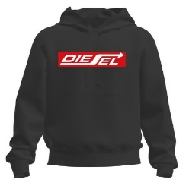 | A18981RIAJH900 | MALE | S-GINN-HOOD 250111 OFF FELPA - CAVIAR |  | 130 | 249 | 247 | 253 | 137 |  | 1016 | 60.00 € | 150.00 €
 | A19704RJXAN100 | MALE | S-GIR 250207 OFF FELPA - BRIGHT WHITE |  | 83 | 192 | 192 | 194 | 93 |  | 754 | 50.00 € | 125.00 €
 | A19704RJXAN81E | MALE | S-GIR 250207 OFF FELPA - TOTAL ECLIPSE |  | 75 | 172 | 170 | 175 | 89 |  | 681 | 50.00 € | 125.00 €
 | A19704RJXAN900 | MALE | S-GIR 250207 OFF FELPA - CAVIAR |  | 91 | 184 | 182 | 187 | 91 |  | 735 | 50.00 € | 125.00 €
 |  |  | Totale FELPE |  |  |  |  |  |  |  | 17026

 | I.POLO |  | I.POLO
Immagini | Articolo | GENDER | Descrizione | S | M | L | XL | XXL |  |  | Totale | WLS | RTL
 | A16981RQIAH100 | MALE | T-SMITH 16-2 POLO POLO - BRIGHT WHITE | 220 | 410 | 402 | 419 | 212 |  |  | 1663 | 32.00 € | 80.00 €
 | A16981RQIAH81E | MALE | T-SMITH 16-2 POLO POLO - TOTAL ECLIPSE | 213 | 386 | 372 | 392 | 200 |  |  | 1563 | 32.00 € | 80.00 €
 | A16981RQIAH8NT | MALE | T-SMITH 16-2 POLO POLO - BLUE SAPPHIRE | 238 | 463 | 463 | 465 | 230 |  |  | 1859 | 32.00 € | 80.00 €
 | A16981RQIAH900 | MALE | T-SMITH 16-2 POLO POLO - CAVIAR | 211 | 373 | 371 | 384 | 191 |  |  | 1530 | 32.00 € | 80.00 €
 | A19002RQIAH100 | MALE | T-SMITH 250104 OFF POLO - BRIGHT WHITE | 222 | 403 | 385 | 407 | 208 |  |  | 1625 | 32.00 € | 80.00 €
 | A19002RQIAH81E | MALE | T-SMITH 250104 OFF POLO - TOTAL ECLIPSE | 218 | 397 | 382 | 399 | 204 |  |  | 1600 | 32.00 € | 80.00 €
 | A19002RQIAH900 | MALE | T-SMITH 250104 OFF POLO - CAVIAR | 204 | 333 | 310 | 331 | 177 |  |  | 1355 | 32.00 € | 80.00 €
 | A19714REFBA100 | MALE | T-SMITH 250205 OFF POLO - BRIGHT WHITE | 240 | 465 | 465 | 465 | 230 |  |  | 1865 | 32.00 € | 80.00 €
 | A19714REFBA81E | MALE | T-SMITH 250205 OFF POLO - TOTAL ECLIPSE | 234 | 447 | 445 | 445 | 223 |  |  | 1794 | 32.00 € | 80.00 €
 | A19714REFBA900 | MALE | T-SMITH 250205 OFF POLO - CAVIAR | 224 | 407 | 405 | 405 | 203 |  |  | 1644 | 32.00 € | 80.00 €
 |  |  | Totale I.POLO |  |  |  |  |  |  |  | 16498

 | I.T-SHIRT |  | T-SHIRT
Immagini | Articolo | GENDER | Descrizione | XS | S | M | L | XL | XXL | 3XL | Totale | WLS | RTL
 | A00356RAAXJ100 | MALE | T-DIEGOS-K30 MAGLIETTA - BRIGHT WHITE |  | 135 | 251 | 243 | 263 | 141 |  | 1033 | 24.00 € | 60.00 €
 | A00356RAAXJ5IX | MALE | T-DIEGOS-K30 MAGLIETTA - DEEP DEPTHS |  | 32 | 61 | 61 | 68 | 38 |  | 260 | 24.00 € | 60.00 €
 | A00356RAAXJ81E | MALE | T-DIEGOS-K30 MAGLIETTA - TOTAL ECLIPSE |  | 153 | 286 | 280 | 288 | 158 |  | 1165 | 24.00 € | 60.00 €
 | A00356RAAXJ900 | MALE | T-DIEGOS-K30 MAGLIETTA - CAVIAR |  | 129 | 199 | 190 | 208 | 134 |  | 860 | 24.00 € | 60.00 €
 | A03848RPATI100 | MALE | T-DIEGOR-K47 MAGLIETTA - BRIGHT WHITE |  | 103 | 206 | 200 | 205 | 111 |  | 825 | 20.00 € | 50.00 €
 | A03848RPATI81E | MALE | T-DIEGOR-K47 MAGLIETTA - TOTAL ECLIPSE |  | 97 | 193 | 187 | 191 | 102 |  | 770 | 20.00 € | 50.00 €
 | A03848RPATI900 | MALE | T-DIEGOR-K47 MAGLIETTA - CAVIAR |  | 102 | 202 | 196 | 201 | 108 |  | 809 | 20.00 € | 50.00 €
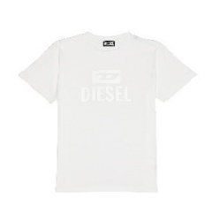 | A09753RPATI100 | MALE | T-DIEGO TONE ON TONE MAGLIETTA - BRIGHT WHITE |  | 159 | 297 | 293 | 297 | 161 |  | 1207 | 24.00 € | 60.00 €
 | A09753RPATI7DA | MALE | T-DIEGO TONE ON TONE MAGLIETTA - COFFEE LIQUEUR |  | 58 | 97 | 95 | 97 | 54 |  | 401 | 24.00 € | 60.00 €
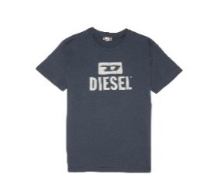 | A09753RPATI81E | MALE | T-DIEGO TONE ON TONE MAGLIETTA - TOTAL ECLIPSE |  | 161 | 293 | 279 | 283 | 154 |  | 1170 | 24.00 € | 60.00 €
 | A09753RPATI8NT | MALE | T-DIEGO TONE ON TONE MAGLIETTA - BLUE SAPPHIRE |  | 47 | 74 | 72 | 76 | 44 |  | 313 | 24.00 € | 60.00 €
 | A09753RPATI900 | MALE | T-DIEGO TONE ON TONE MAGLIETTA - CAVIAR |  | 126 | 203 | 198 | 207 | 139 |  | 873 | 24.00 € | 60.00 €
 | A10390RCATJ44D | FEMALE | T-SILY-WX-NEW-ITA-FOIL MAGLIETTA - TIBETAN RED | 28 | 54 | 54 | 54 | 28 |  |  | 218 | 24.00 € | 60.00 €
 | A10390RCATJ9XX | FEMALE | T-SILY-WX-NEW-ITA-FOIL MAGLIETTA - BLACK BLACK BLA | 25 | 47 | 45 | 46 | 25 |  |  | 188 | 24.00 € | 60.00 €
 | A11184RPATI100 | MALE | T-JUST -SMALL-NEW D LOGO MAGLIETTA - BRIGHT WHITE |  | 189 | 360 | 353 | 371 | 197 |  | 1470 | 24.00 € | 60.00 €
 | A11184RPATI5IX | MALE | T-JUST -SMALL-NEW D LOGO MAGLIETTA - DEEP DEPTHS |  | 137 | 265 | 261 | 274 | 145 |  | 1082 | 24.00 € | 60.00 €
 | A11184RPATI7DA | MALE | T-JUST -SMALL-NEW D LOGO MAGLIETTA - COFFEE LIQUEU |  | 101 | 190 | 186 | 193 | 100 |  | 770 | 24.00 € | 60.00 €
 | A11184RPATI81E | MALE | T-JUST -SMALL-NEW D LOGO MAGLIETTA - TOTAL ECLIPSE |  | 188 | 345 | 337 | 356 | 195 |  | 1421 | 24.00 € | 60.00 €
 | A11184RPATI900 | MALE | T-JUST -SMALL-NEW D LOGO MAGLIETTA - CAVIAR |  | 176 | 308 | 295 | 314 | 184 |  | 1277 | 24.00 € | 60.00 €
 | A12248RPATI100 | MALE | T-DIEGOR-E17-OUT MAGLIETTA - BRIGHT WHITE |  | 178 | 348 | 348 | 350 | 180 |  | 1404 | 24.00 € | 60.00 €
 | A12248RPATI81E | MALE | T-DIEGOR-E17-OUT MAGLIETTA - TOTAL ECLIPSE |  | 161 | 311 | 309 | 313 | 171 |  | 1265 | 24.00 € | 60.00 €
 | A12248RPATI8NT | MALE | T-DIEGOR-E17-OUT MAGLIETTA - BLUE SAPPHIRE |  | 53 | 98 | 98 | 100 | 55 |  | 404 | 24.00 € | 60.00 €
 | A12248RPATI9XX | MALE | T-DIEGOR-E17-OUT MAGLIETTA - BLACK BLACK BLACK |  | 174 | 329 | 327 | 331 | 176 |  | 1337 | 24.00 € | 60.00 €
 | A16848RPATI100 | MALE | T-DIEGOR 1-A MAGLIETTA - BRIGHT WHITE |  | 86 | 142 | 127 | 141 | 81 |  | 577 | 20.00 € | 50.00 €
 | A16848RPATI5IX | MALE | T-DIEGOR 1-A MAGLIETTA - DEEP DEPTHS |  | 36 | 47 | 37 | 49 | 35 |  | 204 | 20.00 € | 50.00 €
 | A16848RPATI81E | MALE | T-DIEGOR 1-A MAGLIETTA - TOTAL ECLIPSE |  | 75 | 121 | 110 | 122 | 79 |  | 507 | 20.00 € | 50.00 €
 | A16848RPATI8NT | MALE | T-DIEGOR 1-A MAGLIETTA - BLUE SAPPHIRE |  | 33 | 26 | 12 | 22 | 27 |  | 120 | 20.00 € | 50.00 €
 | A16848RPATI900 | MALE | T-DIEGOR 1-A MAGLIETTA - CAVIAR |  | 64 | 68 | 52 | 66 | 74 |  | 324 | 20.00 € | 50.00 €
 | A16861RPATI100 | MALE | T-JUST 12-5 MAGLIETTA - BRIGHT WHITE |  | 166 | 324 | 323 | 329 | 166 |  | 1308 | 24.00 € | 60.00 €
 | A16861RPATI81E | MALE | T-JUST 12-5 MAGLIETTA - TOTAL ECLIPSE |  | 150 | 288 | 285 | 294 | 159 |  | 1176 | 24.00 € | 60.00 €
 | A16861RPATI8NT | MALE | T-JUST 12-5 MAGLIETTA - BLUE SAPPHIRE |  | 109 | 205 | 205 | 207 | 110 |  | 836 | 24.00 € | 60.00 €
 | A16861RPATI900 | MALE | T-JUST 12-5 MAGLIETTA - CAVIAR |  | 147 | 266 | 261 | 269 | 153 |  | 1096 | 24.00 € | 60.00 €
 | A16984RHERA100 | FEMALE | T-REG 53-D MAGLIETTA - BRIGHT WHITE | 17 | 28 | 28 | 37 | 20 |  |  | 130 | 20.00 € | 50.00 €
 | A16984RHERA44D | FEMALE | T-REG 53-D MAGLIETTA - TIBETAN RED | 29 | 53 | 50 | 52 | 26 |  |  | 210 | 20.00 € | 50.00 €
 | A16984RHERA900 | FEMALE | T-REG 53-D MAGLIETTA - CAVIAR | 17 | 25 | 22 | 31 | 16 |  |  | 111 | 20.00 € | 50.00 €
 | A16994RHERA100 | FEMALE | T-REG 55-F MAGLIETTA - BRIGHT WHITE | 22 | 44 | 44 | 48 | 24 |  |  | 182 | 20.00 € | 50.00 €
 | A16994RHERA44D | FEMALE | T-REG 55-F MAGLIETTA - TIBETAN RED | 23 | 48 | 48 | 50 | 25 |  |  | 194 | 20.00 € | 50.00 €
 | A16994RHERA900 | FEMALE | T-REG 55-F MAGLIETTA - CAVIAR | 22 | 40 | 40 | 45 | 23 |  |  | 170 | 20.00 € | 50.00 €
 | A17135RPHIX100 | MALE | T-JUST 16 MAGLIETTA - BRIGHT WHITE |  | 115 | 194 | 177 | 212 | 130 |  | 828 | 20.00 € | 50.00 €
 | A17135RPHIX7DA | MALE | T-JUST 16 MAGLIETTA - COFFEE LIQUEUR |  | 47 | 86 | 81 | 85 | 50 |  | 349 | 20.00 € | 50.00 €
 | A17135RPHIX81E | MALE | T-JUST 16 MAGLIETTA - TOTAL ECLIPSE |  | 124 | 219 | 205 | 230 | 135 |  | 913 | 20.00 € | 50.00 €
 | A17135RPHIX900 | MALE | T-JUST 16 MAGLIETTA - CAVIAR |  | 113 | 178 | 160 | 184 | 123 |  | 758 | 20.00 € | 50.00 €
 | A18993RHERA100 | FEMALE | T-REG 250111 OFF MAGLIETTA - BRIGHT WHITE | 26 | 49 | 46 | 48 | 23 |  |  | 192 | 20.00 € | 50.00 €
 | A18993RHERA9XX | FEMALE | T-REG 250111 OFF MAGLIETTA - BLACK BLACK BLACK | 25 | 43 | 40 | 44 | 21 |  |  | 173 | 20.00 € | 50.00 €
 | A18996RPATI100 | MALE | T-JUST 250115 OFF MAGLIETTA - BRIGHT WHITE | 165 | 304 | 298 | 308 | 161 |  |  | 1236 | 24.00 € | 60.00 €
 | A18996RPATI81E | MALE | T-JUST 250115 OFF MAGLIETTA - TOTAL ECLIPSE | 160 | 289 | 282 | 289 | 155 |  |  | 1175 | 24.00 € | 60.00 €
 | A18996RPATI900 | MALE | T-JUST 250115 OFF MAGLIETTA - CAVIAR | 158 | 242 | 235 | 244 | 152 |  |  | 1031 | 24.00 € | 60.00 €
 | A18997RPATI100 | MALE | T-JUST 250121 OFF MAGLIETTA - BRIGHT WHITE | 162 | 295 | 289 | 296 | 154 |  |  | 1196 | 24.00 € | 60.00 €
 | A18997RPATI5IX | MALE | T-JUST 250121 OFF MAGLIETTA - DEEP DEPTHS | 43 | 28 | 28 | 30 | 25 |  |  | 154 | 24.00 € | 60.00 €
 | A18997RPATI81E | MALE | T-JUST 250121 OFF MAGLIETTA - TOTAL ECLIPSE | 172 | 301 | 295 | 302 | 152 |  |  | 1222 | 24.00 € | 60.00 €
 | A18997RPATI900 | MALE | T-JUST 250121 OFF MAGLIETTA - CAVIAR | 168 | 269 | 263 | 270 | 138 |  |  | 1108 | 24.00 € | 60.00 €
 | A19698RHQBE100 | MALE | T-DIEGOR 250215 OFF MAGLIETTA - BRIGHT WHITE |  | 173 | 325 | 318 | 322 | 168 |  | 1306 | 24.00 € | 60.00 €
 | A19698RHQBE7DA | MALE | T-DIEGOR 250215 OFF MAGLIETTA - COFFEE LIQUEUR |  | 58 | 98 | 97 | 97 | 53 |  | 403 | 24.00 € | 60.00 €
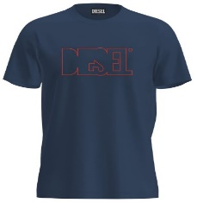 | A19698RHQBE81E | MALE | T-DIEGOR 250215 OFF MAGLIETTA - TOTAL ECLIPSE |  | 173 | 312 | 304 | 310 | 169 |  | 1268 | 24.00 € | 60.00 €
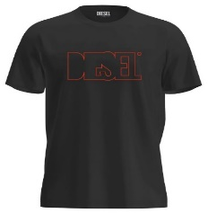 | A19698RHQBE900 | MALE | T-DIEGOR 250215 OFF MAGLIETTA - CAVIAR |  | 165 | 275 | 267 | 273 | 155 |  | 1135 | 24.00 € | 60.00 €
 | A19699RHQBF100 | MALE | T-JUST 250216 OFF MAGLIETTA - BRIGHT WHITE |  | 167 | 311 | 304 | 312 | 163 |  | 1257 | 24.00 € | 60.00 €
 | A19699RHQBF7DA | MALE | T-JUST 250216 OFF MAGLIETTA - COFFEE LIQUEUR |  | 33 | 53 | 51 | 56 | 38 |  | 231 | 24.00 € | 60.00 €
 | A19699RHQBF81E | MALE | T-JUST 250216 OFF MAGLIETTA - TOTAL ECLIPSE |  | 152 | 270 | 264 | 271 | 158 |  | 1115 | 24.00 € | 60.00 €
 | A19699RHQBF900 | MALE | T-JUST 250216 OFF MAGLIETTA - CAVIAR |  | 147 | 249 | 242 | 250 | 153 |  | 1041 | 24.00 € | 60.00 €
 | A19700RHQBG100 | MALE | T-JUST 250217 OFF MAGLIETTA - BRIGHT WHITE |  | 77 | 161 | 161 | 161 | 85 |  | 645 | 24.00 € | 60.00 €
 | A19700RHQBG81E | MALE | T-JUST 250217 OFF MAGLIETTA - TOTAL ECLIPSE |  | 81 | 166 | 165 | 165 | 87 |  | 664 | 24.00 € | 60.00 €
 | A19700RHQBG900 | MALE | T-JUST 250217 OFF MAGLIETTA - CAVIAR |  | 74 | 151 | 150 | 152 | 83 |  | 610 | 24.00 € | 60.00 €
 | A19701RHQBH100 | MALE | T-JUST 250218 OFF MAGLIETTA - BRIGHT WHITE |  | 102 | 186 | 181 | 185 | 104 |  | 758 | 24.00 € | 60.00 €
 | A19701RHQBH81E | MALE | T-JUST 250218 OFF MAGLIETTA - TOTAL ECLIPSE |  | 103 | 166 | 162 | 168 | 101 |  | 700 | 24.00 € | 60.00 €
 | A19701RHQBH8NT | MALE | T-JUST 250218 OFF MAGLIETTA - BLUE SAPPHIRE |  | 115 | 210 | 210 | 210 | 113 |  | 858 | 24.00 € | 60.00 €
 | A19701RHQBH900 | MALE | T-JUST 250218 OFF MAGLIETTA - CAVIAR |  | 97 | 146 | 141 | 145 | 96 |  | 625 | 24.00 € | 60.00 €
 | A19707RDRDX100 | FEMALE | T-SILY 250202 OFF MAGLIETTA - BRIGHT WHITE | 18 | 32 | 30 | 37 | 16 |  |  | 133 | 24.00 € | 60.00 €
 | A19707RDRDX900 | FEMALE | T-SILY 250202 OFF MAGLIETTA - CAVIAR | 14 | 24 | 22 | 31 | 12 |  |  | 103 | 24.00 € | 60.00 €
 | A19708RDRDY100 | FEMALE | T-REG 250209 OFF MAGLIETTA - BRIGHT WHITE | 22 | 44 | 44 | 48 | 24 |  |  | 182 | 24.00 € | 60.00 €
 | A19708RDRDY44D | FEMALE | T-REG 250209 OFF MAGLIETTA - TIBETAN RED | 23 | 48 | 48 | 50 | 25 |  |  | 194 | 24.00 € | 60.00 €
 | A19708RDRDY900 | FEMALE | T-REG 250209 OFF MAGLIETTA - CAVIAR | 22 | 44 | 44 | 48 | 24 |  |  | 182 | 24.00 € | 60.00 €
 | A19709RDRDZ100 | FEMALE | T-REG 250210 OFF MAGLIETTA - BRIGHT WHITE | 30 | 60 | 60 | 60 | 30 |  |  | 240 | 24.00 € | 60.00 €
 | A19709RDRDZ900 | FEMALE | T-REG 250210 OFF MAGLIETTA - CAVIAR | 29 | 58 | 57 | 59 | 29 |  |  | 232 | 24.00 € | 60.00 €
 | A19713RDBEN100 | MALE | T-JUST 250221 OFF MAGLIETTA - BRIGHT WHITE |  | 171 | 331 | 329 | 331 | 174 |  | 1336 | 24.00 € | 60.00 €
 | A19713RDBEN5IX | MALE | T-JUST 250221 OFF MAGLIETTA - DEEP DEPTHS |  | 47 | 85 | 82 | 84 | 49 |  | 347 | 24.00 € | 60.00 €
 | A19713RDBEN7DA | MALE | T-JUST 250221 OFF MAGLIETTA - COFFEE LIQUEUR |  | 49 | 90 | 90 | 90 | 52 |  | 371 | 24.00 € | 60.00 €
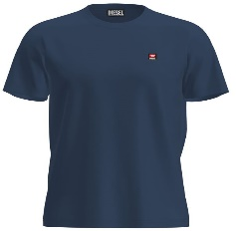 | A19713RDBEN81E | MALE | T-JUST 250221 OFF MAGLIETTA - TOTAL ECLIPSE |  | 165 | 305 | 301 | 305 | 167 |  | 1243 | 24.00 € | 60.00 €
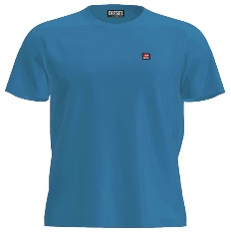 | A19713RDBEN8NT | MALE | T-JUST 250221 OFF MAGLIETTA - BLUE SAPPHIRE |  | 48 | 87 | 85 | 87 | 51 |  | 358 | 24.00 € | 60.00 €
 | A19713RDBEN900 | MALE | T-JUST 250221 OFF MAGLIETTA - CAVIAR |  | 160 | 275 | 271 | 275 | 159 |  | 1140 | 24.00 € | 60.00 €
 |  |  | Totale T-SHIRT |  |  |  |  |  |  |  | 56679

 | O.INTIMO |  | INTIMO
Immagini | Articolo | GENDER | Descrizione | S | M | L | XL | XXL |  |  | Totale | WLS | RTL
 | A12487RSFACE0041 | MALE | UMBX-SHAWNTWOPACK-RG BOXERS - AH100+AH100 | 412 | 741 | 1236 | 1281 | 1392 |  |  | 5062 | 13.60 € | 34.00 €
 | A12487RSFACE1350 | MALE | UMBX-SHAWNTWOPACK-RG BOXERS - AH900+AH900 | 1987 | 3783 | 5867 | 5945 | 6143 |  |  | 23725 | 13.60 € | 34.00 €
 | A12487RSFACE7352 | MALE | UMBX-SHAWNTWOPACK-RG BOXERS - AH96X+AH96X | 1174 | 2328 | 3568 | 3604 | 3677 |  |  | 14351 | 13.60 € | 34.00 €
 | A12487RSFACE7353 | MALE | UMBX-SHAWNTWOPACK-RG BOXERS - AH88T+AH88T | 2016 | 3954 | 6052 | 6094 | 6200 |  |  | 24316 | 13.60 € | 34.00 €
 |  |  | Totale INTIMO |  |  |  |  |  |  |  | 67454

